Results
Data File | Size (MB) | TTree Avg Processing Time (s) | Uncertainty (s) | Output File Size (MB) | RNTuple Avg Processing Time (s) | Uncertainty (s) | Output File Size (MB)
moller_stream_molleradcse05_82.evio.0 | 46 | 5.4797 | +-0.0139 | 64 | 2.2691 | +-0.0156 | 54
moller_stream_molleradcse05_67.evio.0 | 1200 | 1318.55 | +-2.90 | 970 | 80.186 | +-0.0848 | 645
moller_stream_molleradcse05_129.evio.0 | 107 | 20.033 | +-0.103 | 189 | 3.6223 | +-0.0844 | 145
moller_stream_molleradcse05_133.evio.0 | 350 | 141.954 | +-0.479 | 460 | 13.369 | +-0.140 | 405
moller_stream_molleradcse05_141.evio.0 | 731 | 566.59 | +-0.598 | 939 | 26.755 | +-0.372 | 897

Ouput File Size Comparison
Processing Time Comparison

82
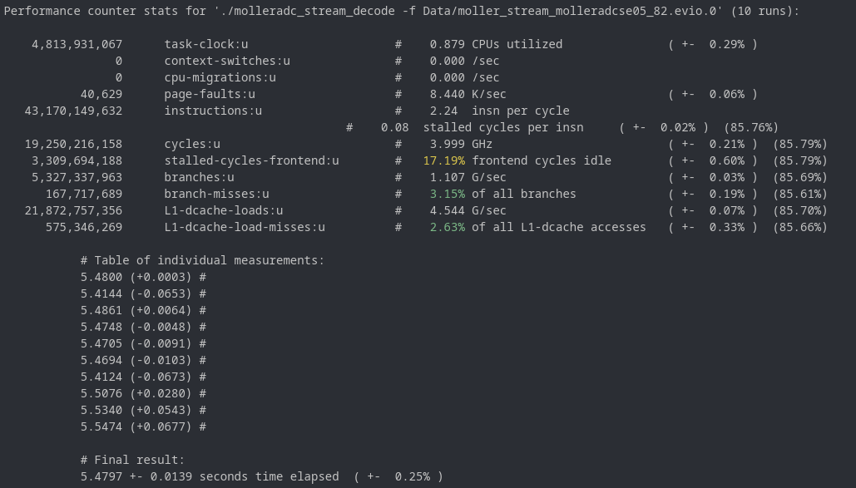
Data File | Size (MB)
moller_stream_molleradcse05_82.evio.0 | 46

 |  | TTree | Measurement (s) | Change (s) | Ouput File (MB)
 |  |  | 5.48 | +0.0003 | 64
 |  |  | 5.4144 | -0.0653
 |  |  | 5.4861 | +0.0064
 |  |  | 5.4748 | -0.0048
 |  |  | 5.4705 | -0.0091
 |  |  | 5.4694 | -0.0103
 |  |  | 5.4124 | -0.0673
 |  |  | 5.5076 | +0.0280
 |  |  | 5.534 | +0.0543
 |  |  | 5.5474 | +0.0677
 |  | Average | 5.4797 | +-0.0139

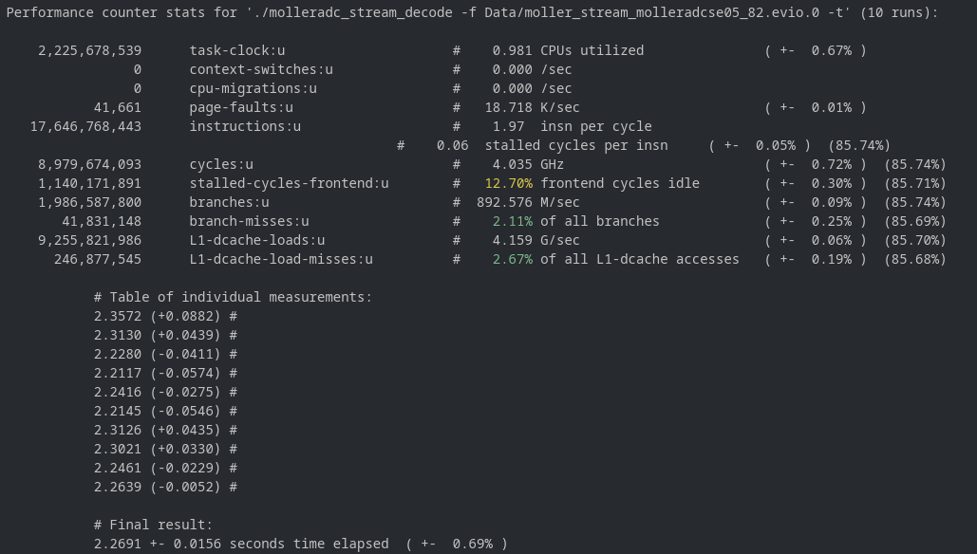

 |  | RNTuple | Measurement (s) | Change (s) | Ouput File (MB)
 |  |  | 2.3572 | +0.0882 | 54
 |  |  | 2.313 | +0.0439
 |  |  | 2.228 | -0.0411
 |  |  | 2.2117 | -0.0574
 |  |  | 2.2416 | -0.0275
 |  |  | 2.2145 | -0.0546
 |  |  | 2.3126 | +0.0435
 |  |  | 2.3021 | +0.0330
 |  |  | 2.2461 | -0.0229
 |  |  | 2.2639 | -0.0052
 |  | Average | 2.2691 | +-0.0156

67
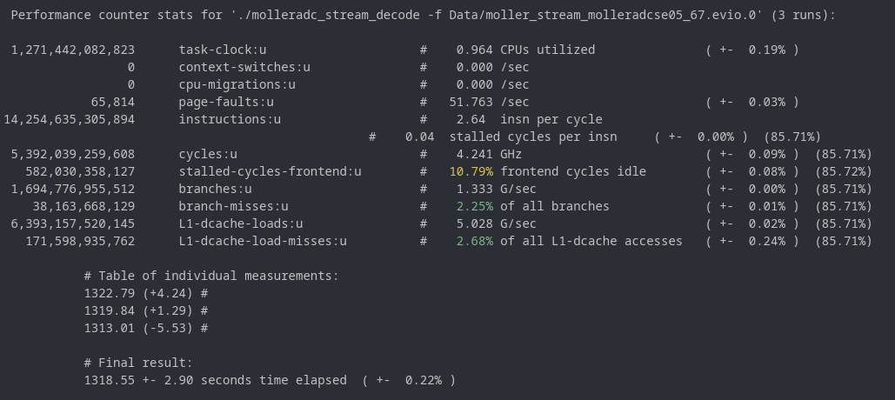
Data File | Size (MB)
moller_stream_molleradcse05_67.evio.0 | 1200

 |  | TTree | Measurement (s) | Change (s) | Ouput File (MB)
 |  |  | 1322.79 | +4.24 | 970
 |  |  | 1319.84 | +1.29
 |  |  | 1313.01 | -5.53

 |  |  | Note: Only ran 3 times b/c of time constraints

 |  | Average | 1318.55 | +-2.90
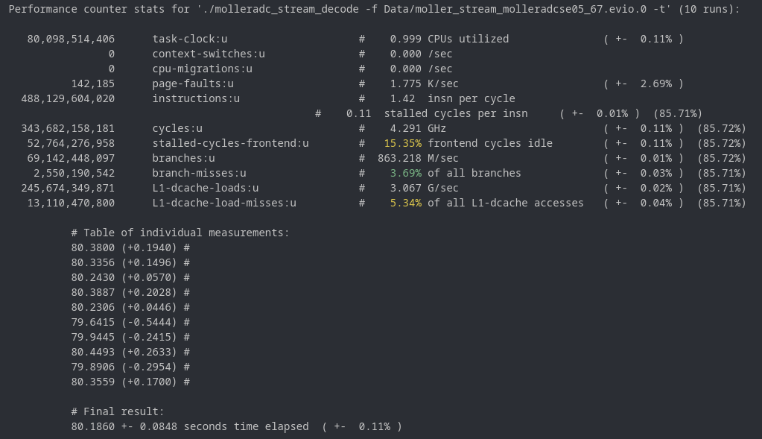

 |  | RNTuple | Measurement (s) | Change (s) | Ouput File (MB)
 |  |  | 80.38 | +0.1940 | 645
 |  |  | 80.3356 | +0.1496
 |  |  | 80.243 | +0.0570
 |  |  | 80.3887 | +0.2028
 |  |  | 80.2306 | +0.0446
 |  |  | 79.6415 | -0.5444
 |  |  | 79.9445 | -0.2415
 |  |  | 80.4493 | +0.2633
 |  |  | 79.8906 | -0.2954
 |  |  | 80.3559 | +0.1700
 |  | Average | 80.186 | +-0.0848

129
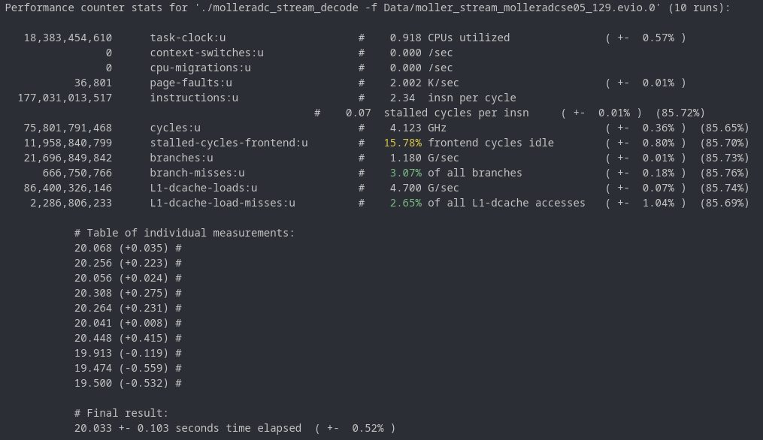
Data File | Size (MB)
moller_stream_molleradcse05_129.evio.0 | 107

 |  | TTree | Measurement (s) | Change (s) | Ouput File (MB)
 |  |  | 20.068 | +0.035 | 189
 |  |  | 20.256 | +0.223
 |  |  | 20.056 | +0.024
 |  |  | 20.308 | +0.275
 |  |  | 20.264 | +0.231
 |  |  | 20.041 | +0.008
 |  |  | 20.448 | +0.415
 |  |  | 19.913 | -0.119
 |  |  | 19.474 | -0.559
 |  |  | 19.5 | -0.532
 |  | Average | 20.033 | +-0.103

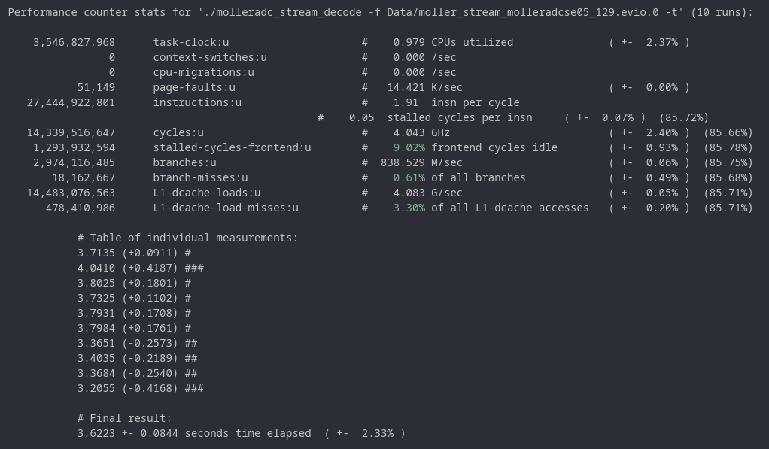

 |  | RNTuple | Measurement (s) | Change (s) | Ouput File (MB)
 |  |  | 3.7135 | +0.0911 | 145
 |  |  | 4.041 | +0.4187
 |  |  | 3.8025 | +0.1801
 |  |  | 3.7325 | +0.1102
 |  |  | 3.7931 | +0.1708
 |  |  | 3.7984 | +0.1761
 |  |  | 3.3651 | -0.2573
 |  |  | 3.4035 | -0.2189
 |  |  | 3.3684 | -0.2540
 |  |  | 3.2055 | -0.4168
 |  | Average | 3.6223 | +-0.0844

133
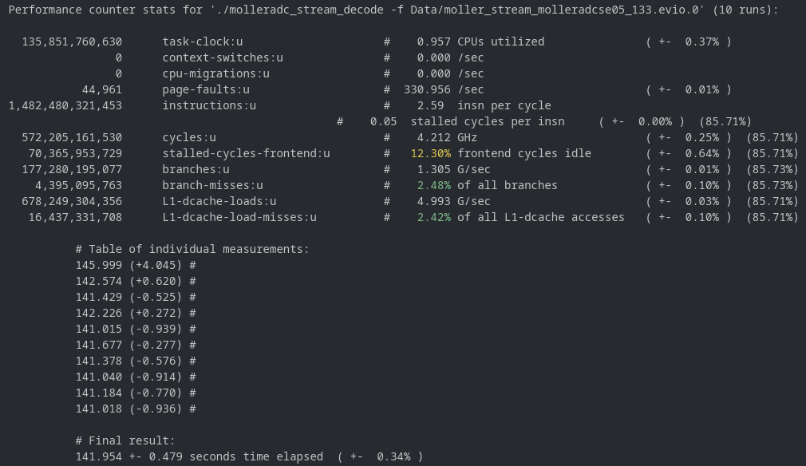
Data File | Size (MB)
moller_stream_molleradcse05_133.evio.0 | 350

 |  | TTree | Measurement (s) | Change (s) | Ouput File (MB)
 |  |  | 145.999 | +4.045 | 460
 |  |  | 142.574 | +0.620
 |  |  | 141.429 | -0.525
 |  |  | 142.226 | +0.272
 |  |  | 141.015 | -0.939
 |  |  | 141.677 | -0.277
 |  |  | 141.378 | -0.576
 |  |  | 141.04 | -0.914
 |  |  | 141.184 | -0.770
 |  |  | 141.018 | -0.936
 |  | Average | 141.954 | +-0.479

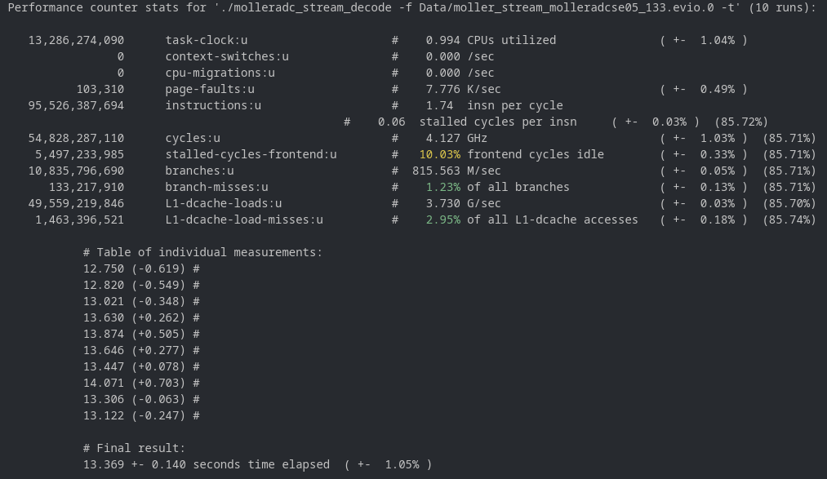

 |  | RNTuple | Measurement (s) | Change (s) | Ouput File (MB)
 |  |  | 12.75 | -0.619 | 405
 |  |  | 12.82 | -0.549
 |  |  | 13.021 | -0.348
 |  |  | 13.63 | +0.262
 |  |  | 13.874 | +0.505
 |  |  | 13.646 | +0.277
 |  |  | 13.447 | +0.078
 |  |  | 14.071 | +0.703
 |  |  | 13.306 | 0.063
 |  |  | 13.122 | -0.247
 |  | Average | 13.369 | +-0.140

141
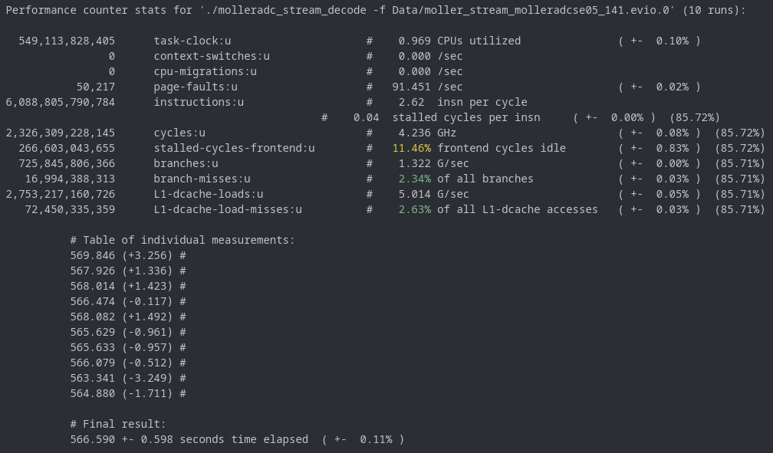
Data File | Size (MB)
moller_stream_molleradcse05_141.evio.0 | 731

 |  | TTree | Measurement (s) | Change (s) | Ouput File (MB)
 |  |  | 569.846 | +3.256 | 939
 |  |  | 567.926 | +1.336
 |  |  | 568.014 | +1.423
 |  |  | 566.474 | -0.117
 |  |  | 568.082 | +1.492
 |  |  | 565.629 | -0.961
 |  |  | 565.633 | -0.957
 |  |  | 566.079 | -0.512
 |  |  | 563.341 | -3.249
 |  |  | 564.88 | -1.711
 |  | Average | 566.59 | +-0.598

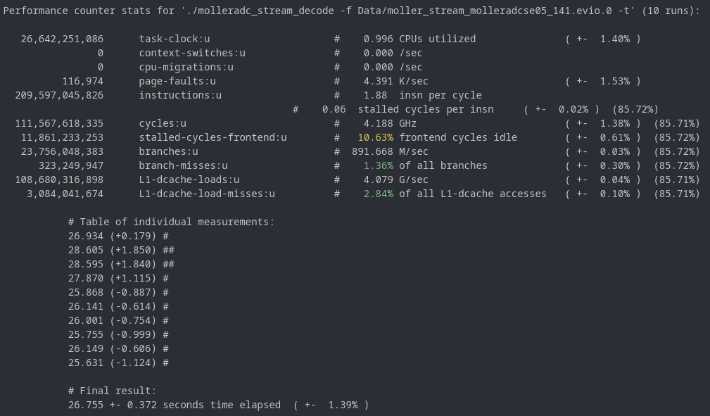

 |  | RNTuple | Measurement (s) | Change (s) | Ouput File (MB)
 |  |  | 26.934 | +0.179 | 897
 |  |  | 28.605 | +1.850
 |  |  | 28.595 | +1.840
 |  |  | 27.87 | +1.115
 |  |  | 25.868 | -0.887
 |  |  | 26.141 | -0.614
 |  |  | 26.001 | -0.754
 |  |  | 25.755 | -0.999
 |  |  | 26.149 | -0.606
 |  |  | 25.631 | -1.124
 |  | Average | 26.755 | +-0.372

